1 Sort by description
Bunnings Hardware
 | Markup on Unit cost | 24%
 | Credit Customer Discount | 4%

Part Number | Description | Qty on Hand | Unit Cost | Shelf Value | Retail Price | Credit Price
1542 | Aralddite bonding glue | 27
1539 | Drill Bit small set | 4
1538 | Masking Tape large | 25
1532 | Plastic container box 24 section | 15
1533 | Plastic storage draws 2 layer | 6
1535 | PVA Wood Glue | 34
1540 | Sanding Block | 11
1537 | Sandpaper 240 | 20
1541 | Super Glue quick set | 23
1534 | UHU All purpose glue | 45
1536 | Woodfiller | 12
 |  |  | Totals:

 |  |  | Answer
 |  |  | Highligh the section covering Description
Part No. | Unit Cost |  | Click on Data Sort and by Description
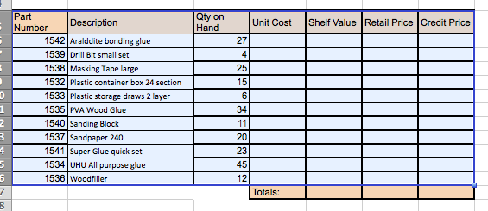
1532 | 8.55
1533 | 7.94
1534 | 5.77
1535 | 16.2
1536 | 17.5
1537 | 5.5
1538 | 50
1539 | 16.98
1540 | 3.25
1541 | 4.99
1542 | 6.78

Part Number | Qty on Hand
1532 | 15
1533 | 6
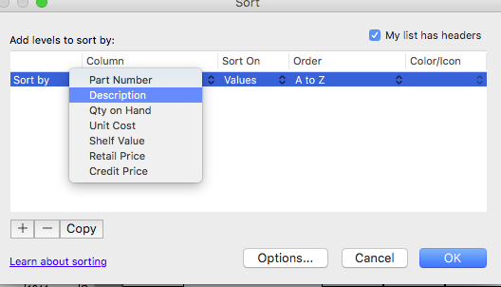
1534 | 45
1535 | 34
1536 | 12
1537 | 20
1538 | 25
1539 | 4
1540 | 11
1541 | 23
1542 | 27

2 Look Up
Bunnings Hardware |  |  |  |  |  |  | 1 | Q | SORT the worksheet in Alphabetical order of Description
 | Markup on Unit cost | 24% |  |  |  |  | 2 | Q | Type the table below (underneath your worksheet) and use it in a lookup function in your worksheet to find Unit Cost with correct amounts according to Part Number.
 | Credit Customer Discount | 4% |  |  |  |  |  |  | Show how it was completed

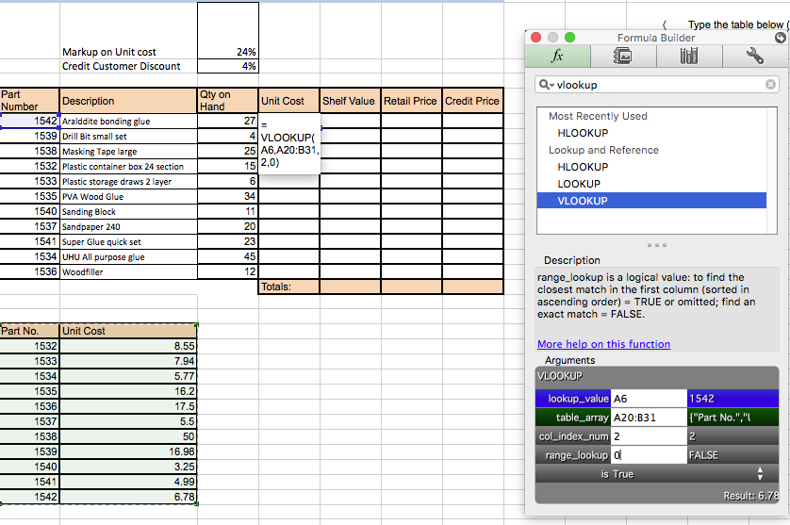
Part Number | Description | Qty on Hand | Unit Cost | Shelf Value | Retail Price | Credit Price
1542 | Aralddite bonding glue | 27 | 6.78
1539 | Drill Bit small set | 4 | 16.98
1538 | Masking Tape large | 25 | 50
1532 | Plastic container box 24 section | 15 | 8.55
1533 | Plastic storage draws 2 layer | 6 | 7.94
1535 | PVA Wood Glue | 34 | 16.2
1540 | Sanding Block | 11 | 3.25
1537 | Sandpaper 240 | 20 | 5.5
1541 | Super Glue quick set | 23 | 4.99
1534 | UHU All purpose glue | 45 | 5.77
1536 | Woodfiller | 12 | 17.5
 |  |  | Totals:

Part No. | Unit Cost
1532 | 8.55
1533 | 7.94
1534 | 5.77
1535 | 16.2
1536 | 17.5
1537 | 5.5
1538 | 50
1539 | 16.98
1540 | 3.25
1541 | 4.99
1542 | 6.78

Part Number | Qty on Hand
1532 | 15
1533 | 6
1534 | 45
1535 | 34
1536 | 12 |  |  |  |  |  | 3 | Use relative and absolute cell referencing (where appropriate) when creating formulae
1537 | 20 |  |  |  |  |  |  | Set the Look up to absolute
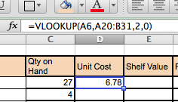
1538 | 25
1539 | 4 |  |  |  |  |  |  |  |  | The Table is not set to absolute
1540 | 11
1541 | 23
1542 | 27

 |  |  |  |  |  |  |  |  |  | The Table is now set to absolute using $
 |  |  |  |  |  |  |  |  |  | it will not change when you move to other cells

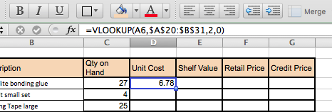

 |  |  |  |  |  |  |  | Then Autofill down

 |  |  |  |  |  |  | 4 | Now auto fill down

